Sheet9
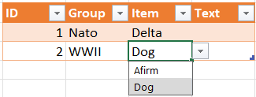
Prata Excel med oss, #9

Group | Item |  | Group | Greek | Nato | Swedish | WWII
Greek | Alfa |  | Item | Alfa | Alfa | Adam | Afirm
Greek | Beta |  |  | Beta | Bravo | Bertil | Dog
Greek | Gamma |  |  | Gamma | Charlie | Cesar
Greek | Delta |  |  | Delta | Delta | David |  | Range | Greek | Nato | Swedish | WWII
Greek | Epsilon |  |  | Epsilon |  | Erik |  |  | Alfa | Alfa | Adam | Afirm
Greek | Zeta |  |  | Zeta
Nato | Alfa |  |  |  |  |  |  | Swedish | Adam
Nato | Bravo |  |  |  |  |  |  |  | Bertil
Nato | Charlie |  |  |  |  |  |  |  | Cesar
Nato | Delta |  |  |  |  |  |  |  | David
Swedish | Adam |  |  |  |  |  |  |  | Erik
Swedish | Bertil
Swedish | Cesar
Swedish | David
Swedish | Erik | ID | Group | Item | Text
WWII | Afirm | 1 | Nato | Delta
WWII | Dog | 2 | WWII | Dog

