pajamas
https://www.disneystore.com/donald-duck-pj-pals-for-boys-4903057392453M.html?

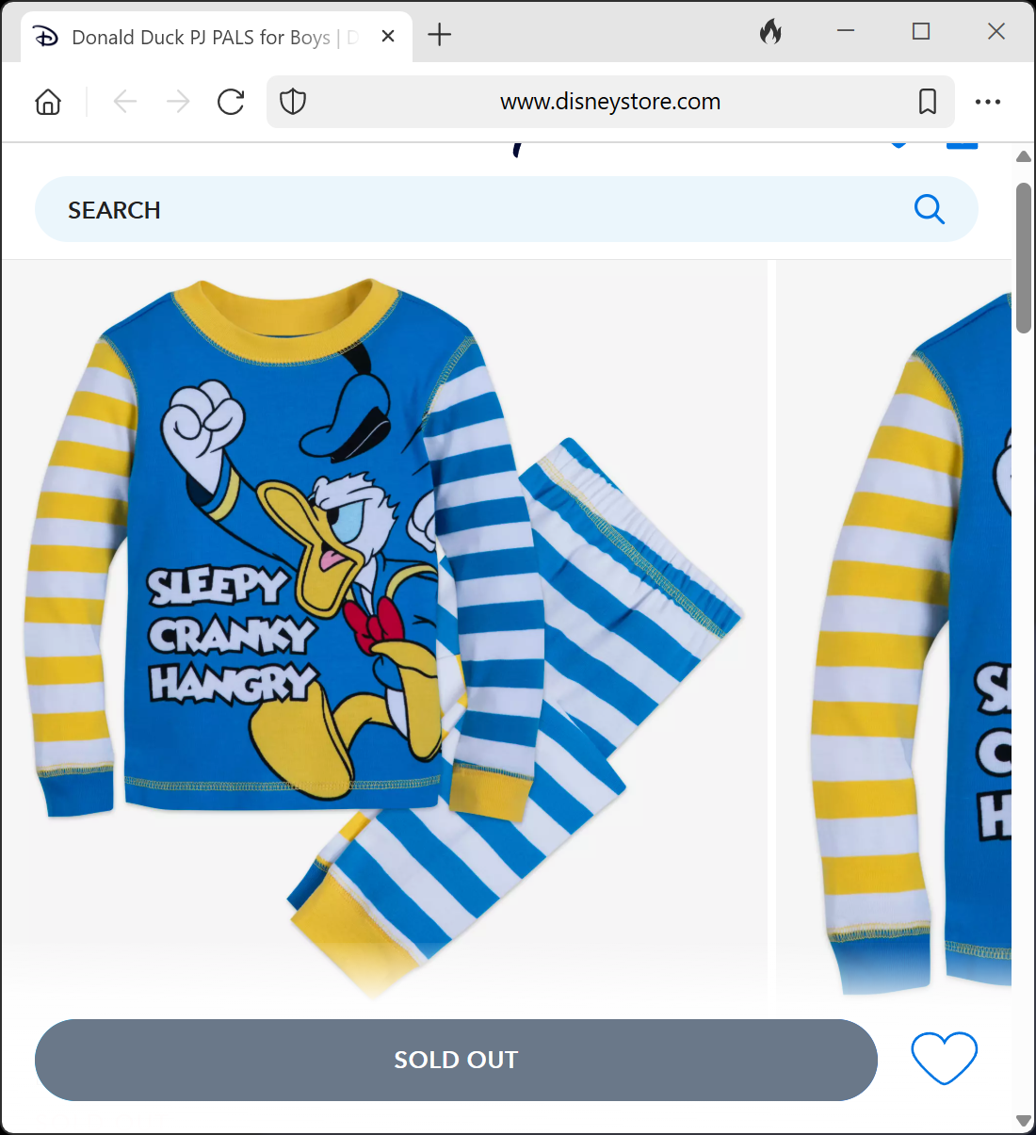
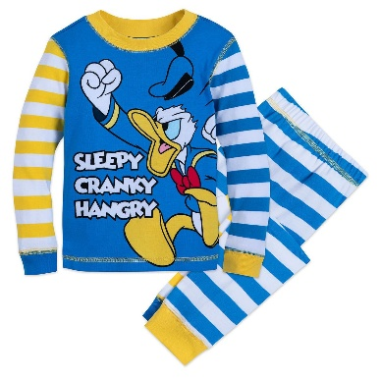
 | Column1 | Column1 | Column1
 | Sleepy | Sleepy | Sleepy
 | Cranky | Cranky | Cranky
 | Hangry | Hangry | Hangry

